Sheet1
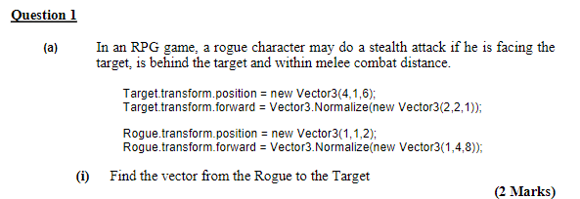

Source |  | 1 | 1 | 2
Destination |  | 4 | 1 | 6
RtoT |  | 3 | 0 | 4

Magnitude of RtoT |  |  | 5 |  | In Unity we use v.magnutude to get this

 |  | Vector3.Normalise |  | Gets the unit vector parallel to given vector in unity

v |  | 1 | 4 | 8
|v| |  | 9
v.normalised |  | 0.11111111111 | 0.44444444444 | 0.88888888889

RtoT |  | 3 | 0 | 4
R_forward |  | 1 | 4 | 8
Scalar Dot |  | 35
 |  | Yes

RtoT |  | 3 | 0 | 4
T_Forward |  | 2 | 2 | 1
Scalar Dot |  | 10
 |  | Yes

 | Max distance |  | 6
 |  | Distance? | Yes

 | Overall

 |  |  | s = u t
 |  |  | v = u + a t
 |  |  | F = m a

